eksperimen
 | Hyperparameter Optimasi (adam, epoch 50, batch size 32)
 | Model | Hyperpameter |  |  |  | peforma model |  |  |  |  |  |  | Precision: 0.72
 |  | Optimasi | Batch size | Epoch (early stoping) | hidden layer dan neuron | Train | validasi | test | Presisi | Recall | F1score |  | Recall: 0.71
 | Resnet100v2 | Adam | 32 | 50 | layer 1 :128, layer 2: 64 | 0.8626 | 0.697 | 75.00% | Precision: 0.75 | Recall: 0.75 | F1-Score: 0.74 |  | F1-Score: 0.71
 | Resnet50v2 | Adam | 32 | 31 | layer 1 :512, layer 2: 128 | 0.7113 | 0.5455 | 54.00% | Precision: 0.53 | Recall: 0.54 | F1-Score: 0.53 |  | Accuracy: 0.71
 | VGG16 | Adam | 32 | 38 | layer 1 :128, layer 2: 64 | 0.9291 | 0.6919 | 69.50% | Precision: 0.70 | Recall: 0.69 | F1-Score: 0.69

 | 4 kelas | ['Primary Endo with Secondary Perio', 'Primary Endodontic Lesion', 'Primary Periodontal Lesion', 'True Combined Lesions']
 | Kombinasi Hyperparameter (tanpa validasi augmentasi), optimizer : Adam rescale=1.0/255.0, rotation_range=15, width_shift_range=0.05, height_shift_range=0.05, shear_range=0.05, zoom_range=0.1, brightness_range=[0.95, 1.05], horizontal_flip=False,fill_mode='nearest')

Data Validasi Tanpa Augmentasi RESNET101V2 | batch size | layer | neuron | aktivasi | regularisasi (dropout) | learning pakai scheduler | peforma model |  |  |  |  |  |  | Gap train dan valid
 |  |  |  |  |  |  | Grafik | Train | validasi | test | Presisi | Recall | F1score
 | 32 | 2 | 128 | relu | 0.5 | pakai(tiap 5 epoch) | 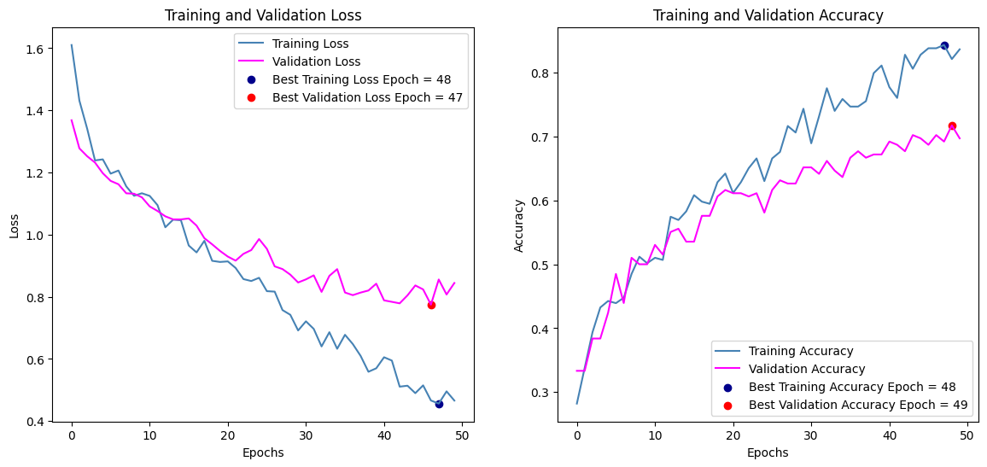 | 0.8626 | 0.697 | Accuracy: 0.75 | Precision: 0.75 | Recall: 0.75 | F1-Score: 0.74 | 0.1656
 |  |  | 64 | relu | 0.5
 |  |  | 4 | softmax
 |  | 2 | 128 | relu | 0.5 | pakai(tiap 5 epoch) | 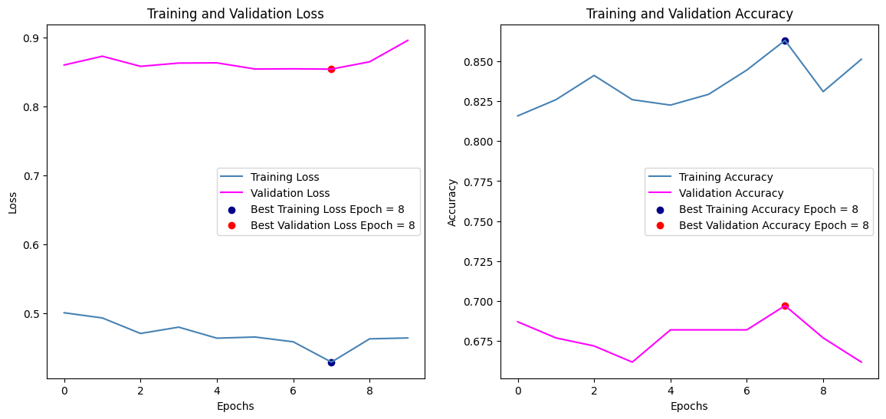 | 0.8456 | 0.6616 | Accuracy: 0.71 | Precision: 0.72 | Recall: 0.71 | F1-Score: 0.71 | 0.184
 |  |  | 256 | relu | 0.5 | earlystopping di epoch 10
 |  |  | 4 | softmax
 |  | 2 | 512 | relu | 0.2 | pakai(tiap 5 epoch) | 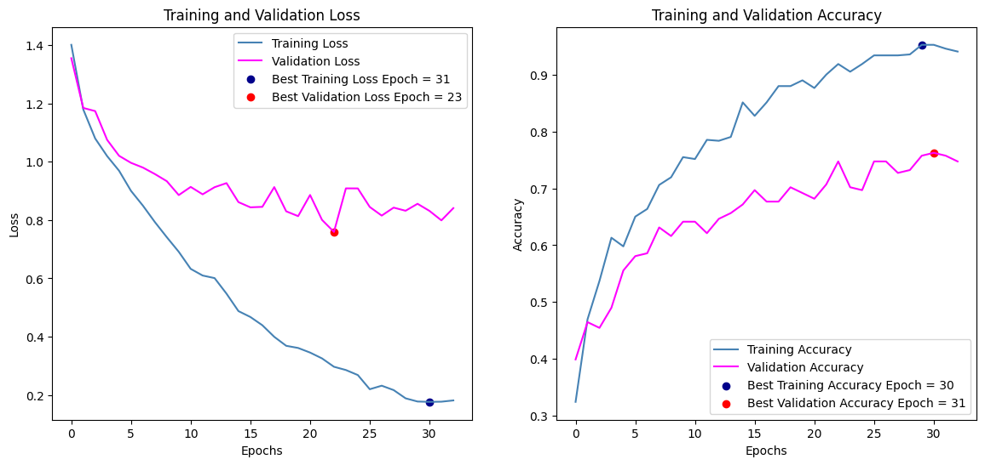 | 0.9498 | 0.7475 | Accuracy: 0.82 | Precision: 0.83 | Recall: 0.82 | F1-Score: 0.82 | 0.2023
 |  |  | 128 | relu | 0.2 | earlystopping di epoch 33
 |  |  | 4 | softmax |  | reduce LR 28 dan 33
 |  | 3 | 128 | relu | 0.2 | pakai(tiap 5 epoch) | 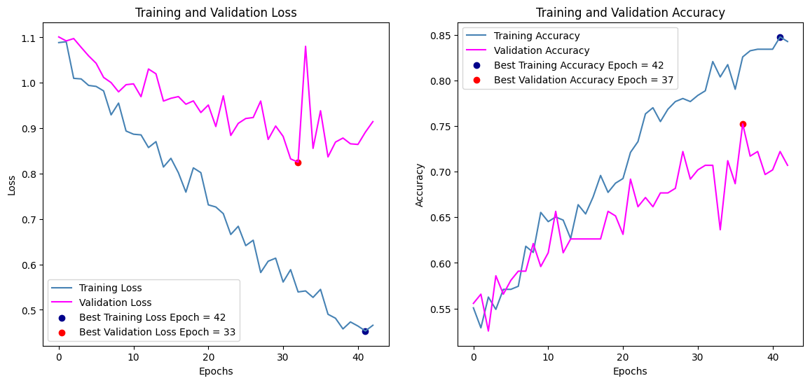 | 0.8602 | 0.7071 | Accuracy: 0.79 | Precision: 0.79 | Recall: 0.79 | F1-Score: 0.78 | 0.1531
 |  |  | 64 | relu | 0.3 | earlystopping di epoch 43
 |  |  | 32 | relu | 0.4 | Reduce LR 38 dan 43
 |  |  | 4 | softmax
 |  | 3 | 512 | relu | 0.5 |  | 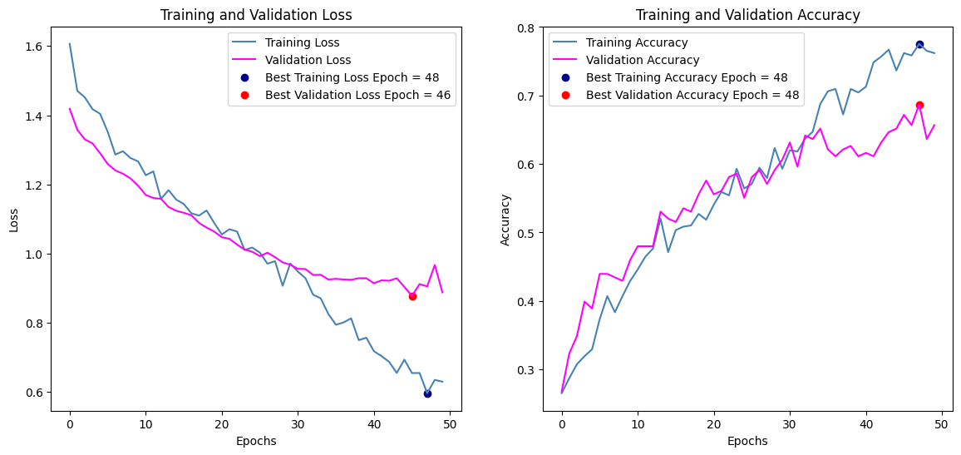 | 0.7596 | 0.6566 | Accuracy: 0.73 | Precision: 0.73 | Recall: 0.73 | F1-Score: 0.73 | 0.103
 |  |  | 256 | relu | 0.5
 |  |  | 128 | relu | 0.5
 |  |  | 4 | softmax
 |  | 3 | 256 | relu | 0.3 | pakai(tiap 5 epoch) | 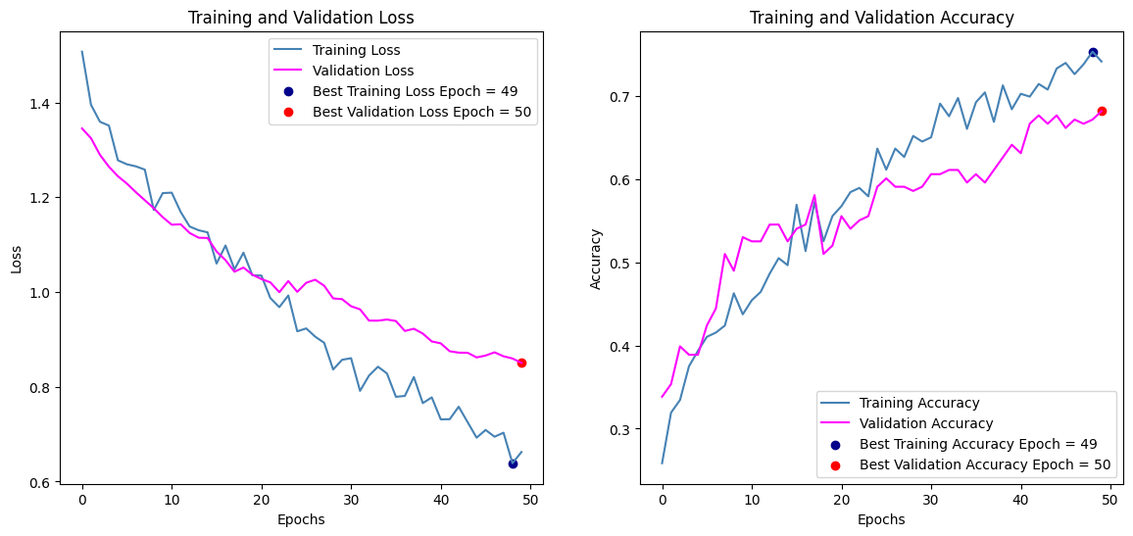 | 0.7436 | 0.6818 | Accuracy: 0.71 | Precision: 0.73 | Recall: 0.71 | F1-Score: 0.72 | 0.0618
 |  |  | 128 | relu | 0.4 | pakai(tiap 5 epoch)
 |  |  | 64 | relu | 0.5 | reduce LR 28
 |  |  | 4 | softmax
 | 64 | 2 | 128 | relu | 0.5 | pakai(tiap 5 epoch) | 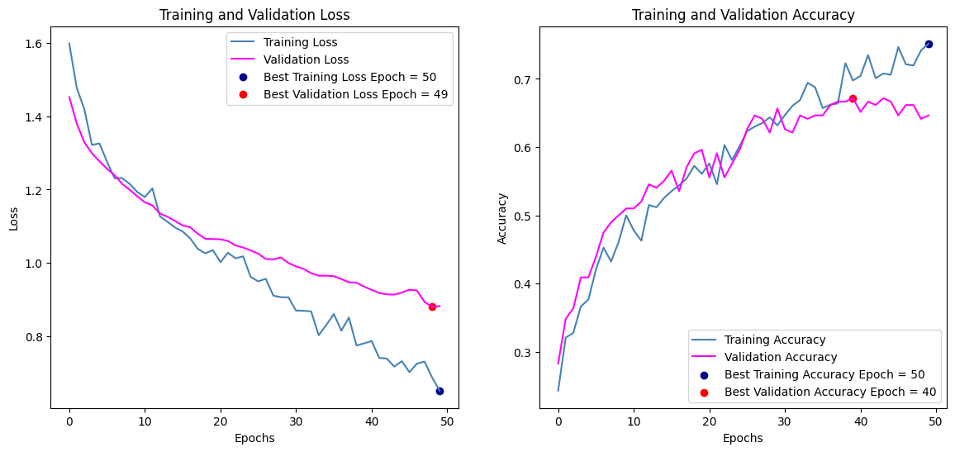 | 0.7596 | 0.6465 | Accuracy: 0.68 | Precision: 0.69 | Recall: 0.68 | F1-Score: 0.68 | 0.1131
 |  |  | 64 | relu | 0.5
 |  |  | 4 | softmax
 |  | 2 | 128 | relu | 0.5 | pakai(tiap 5 epoch) | 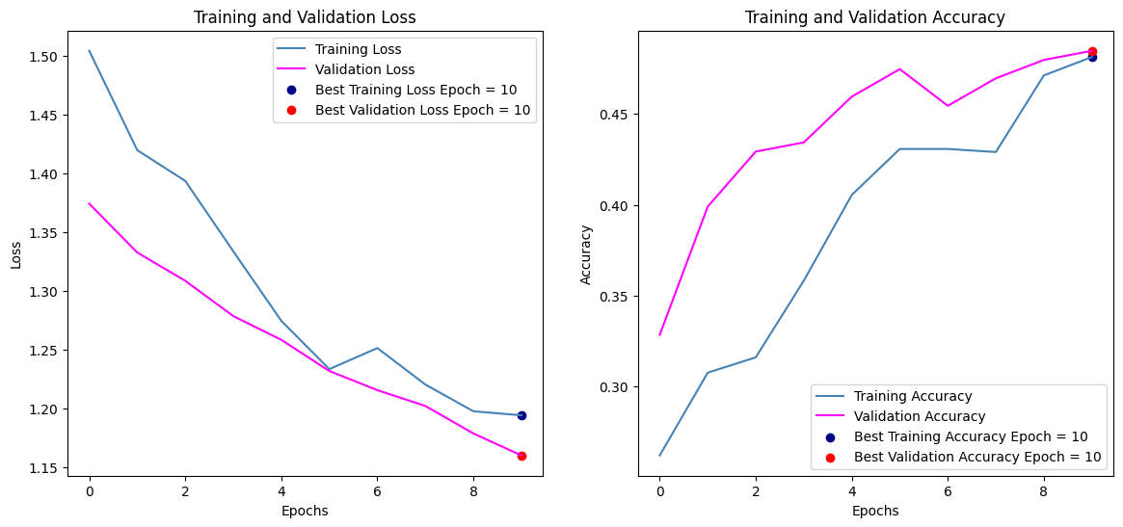 | 0.5112 | 0.4848 | Accuracy: 0.28 | Precision: 0.27 | Recall: 0.28 | F1-Score: 0.27 | 0.0264
 |  |  | 256 | relu | 0.5 | epoch 10 early stopping
 |  |  | 4 | softmax
 |  | 2 | 512 | relu | 0.2 | pakai(tiap 5 epoch) | 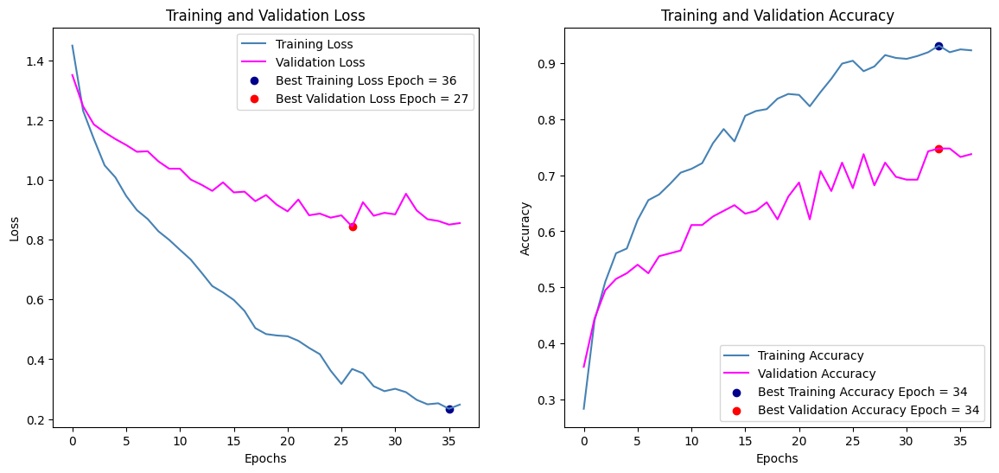 | 0.9176 | 0.7374 | Accuracy: 0.74 | Precision: 0.75 | Recall: 0.74 | F1-Score: 0.74 | 0.1802
 |  |  | 128 | relu | 0.2 | reduce lr di 32 dan 37
 |  |  | 4 | softmax |  | earlystopping di 37
 |  | 3 | 128 | relu | 0.2 | pakai(tiap 5 epoch) | 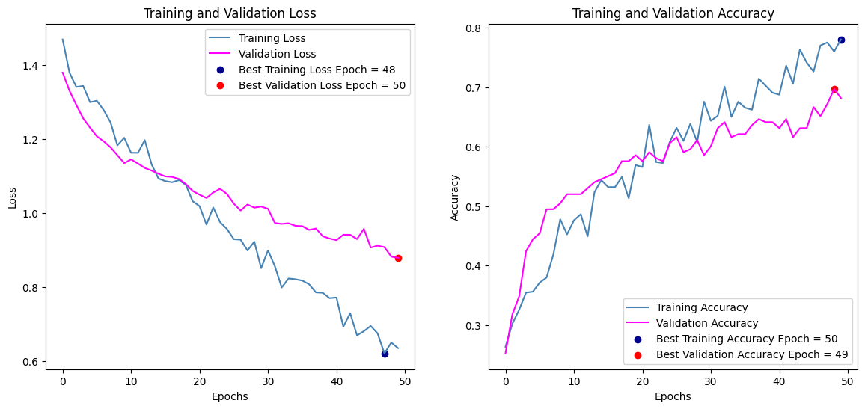 | 0.7844 | 0.6818 | Accuracy: 0.69 | Precision: 0.71 | Recall: 0.69 | F1-Score: 0.69 | 0.1026
 |  |  | 64 | relu | 0.3
 |  |  | 32 | relu | 0.4
 |  |  | 4 | softmax
 |  | 3 | 512 | relu | 0.5 | pakai(tiap 5 epoch) | 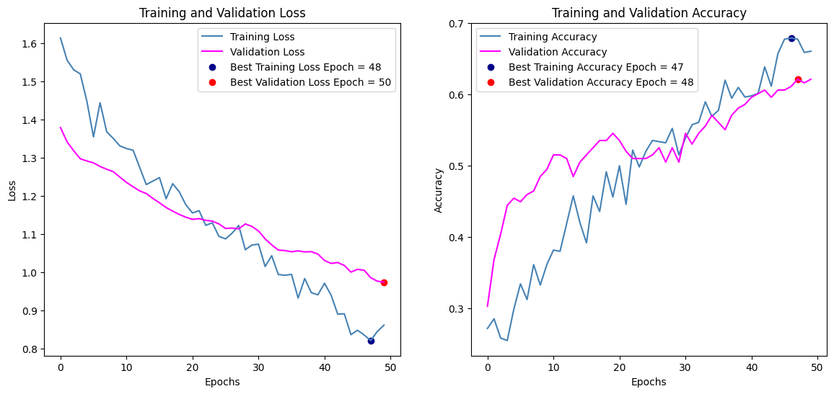 | 0.673 | 0.621 | Accuracy: 0.62 | Precision: 0.62 | Recall: 0.62 | F1-Score: 0.62 | 0.052
 |  |  | 256 | relu | 0.5
 |  |  | 128 | relu | 0.5
 |  |  | 4 | softmax
 |  | 3 | 256 | relu | 0.3 | pakai(tiap 5 epoch) | 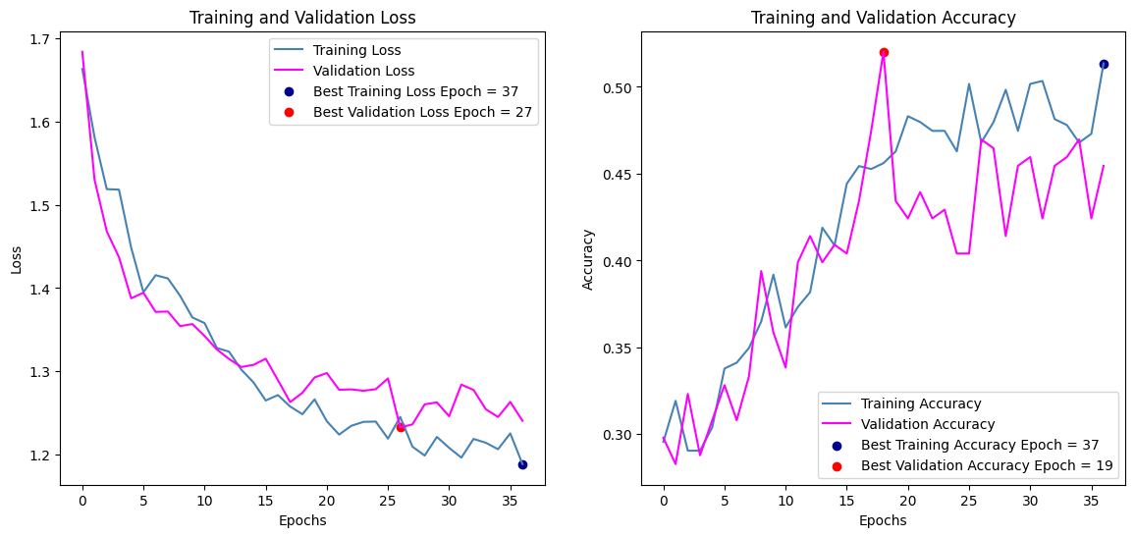 | 0.5056 | 0.4545 | Accuracy: 0.45 | Precision: 0.45 | Recall: 0.45 | F1-Score: 0.45 | 0.0511
 |  |  | 128 | relu | 0.4 | reduce lr di 32 dan 37
 |  |  | 64 | relu | 0.5 | earlystopping di 37
 |  |  | 4 | softmax

 | Kombinasi Hyperparameter (menggunakan validasi augmentasi), optimizer : Adam rescale=1.0/255.0, rotation_range=15, width_shift_range=0.05, height_shift_range=0.05, shear_range=0.05, zoom_range=0.1, brightness_range=[0.95, 1.05], horizontal_flip=False,fill_mode='nearest')

Data Validasi Menggunakan Augmentasi | batch size | layer | neuron | aktivasi | regularisasi (dropout) | learning pakai scheduler | peforma model
 |  |  |  |  |  |  | Grafik | Train | validasi | test | Presisi | Recall | F1score
 | 32 | 2 | 128 | relu | 0.5 | pakai(tiap 5 epoch) | 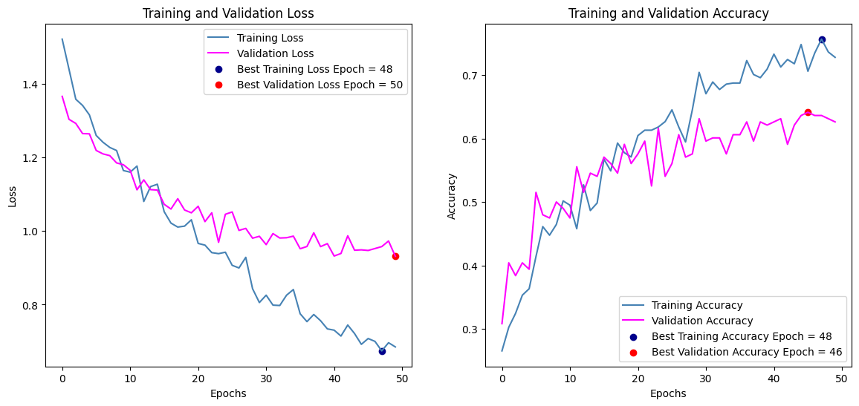 | 0.7337 | 0.6263 | Accuracy: 0.70 | Precision: 0.71 | Recall: 0.70 | F1-Score: 0.70 | 0.1074
 |  |  | 64 | relu | 0.5 | reduce lr di 29 dan 46
 |  |  | 4 | softmax |  | pakai(tiap 5 epoch)
 |  | 2 | 128 | relu | 0.5 | pakai(tiap 5 epoch) | 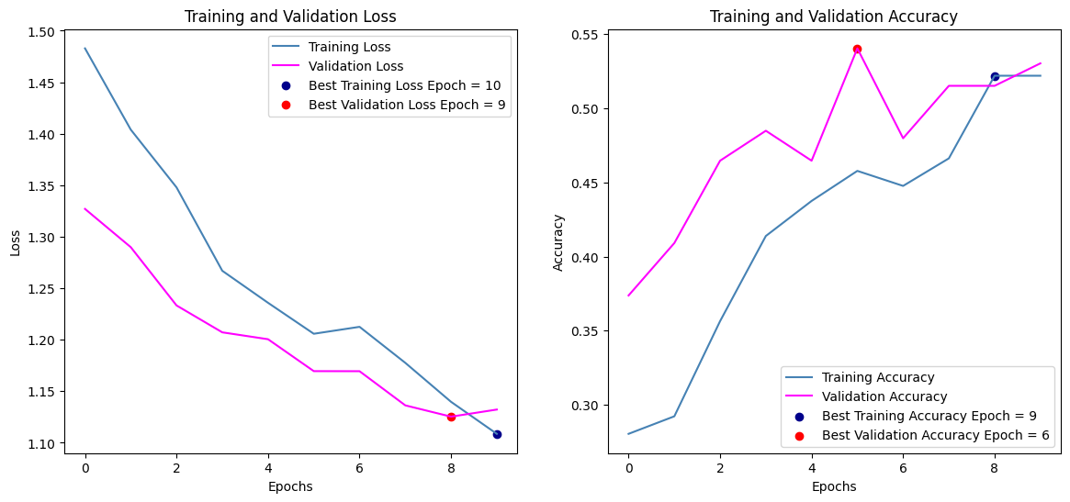 | 0.5367 | 0.5303 | Accuracy: 0.36 | Precision: 0.41 | Recall: 0.36 | F1-Score: 0.32 | 0.0064
 |  |  | 256 | relu | 0.5 | earlystopping di 10
 |  |  | 4 | softmax |  | pakai(tiap 5 epoch)
 |  | 2 | 512 | relu | 0.2 | pakai(tiap 5 epoch) | 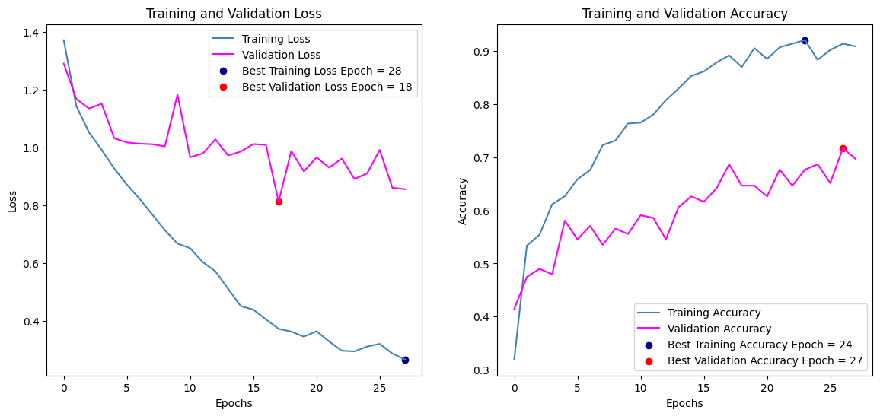 | 0.9067 | 0.697 | Accuracy: 0.74 | Precision: 0.74 | Recall: 0.74 | F1-Score: 0.74 | 0.2097
 |  |  | 128 | relu | 0.2 | reduce lr di 16, 23 dan 28
 |  |  | 4 | softmax |  | earlystopping di 28
 |  | 3 | 128 | relu | 0.2 | pakai(tiap 5 epoch) | 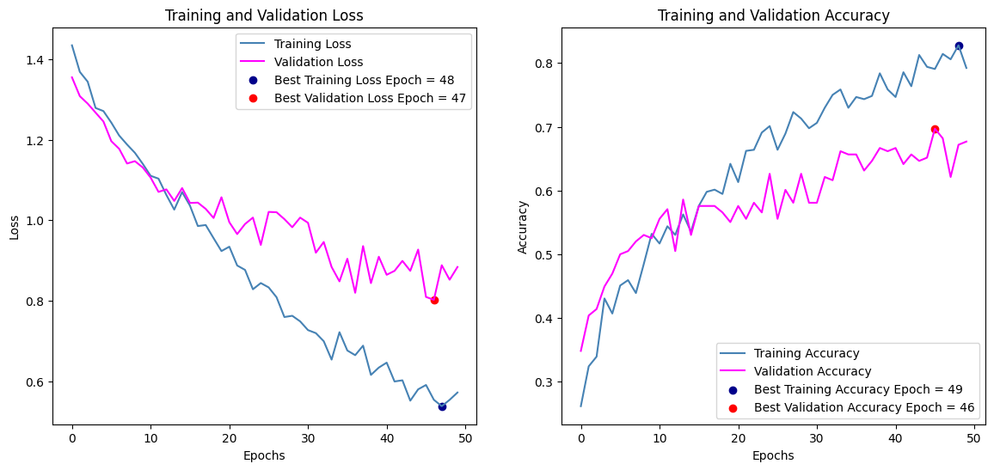 | 0.8033 | 0.6768 | Accuracy: 0.72 | Precision: 0.73 | Recall: 0.72 | F1-Score: 0.72 | 0.1265
 |  |  | 64 | relu | 0.3 | reduce lr di 30 dan 42
 |  |  | 32 | relu | 0.4 | pakai(tiap 5 epoch)
 |  |  | 4 | softmax |  | pakai(tiap 5 epoch)
 |  | 3 | 512 | relu | 0.5 | pakai(tiap 5 epoch) | 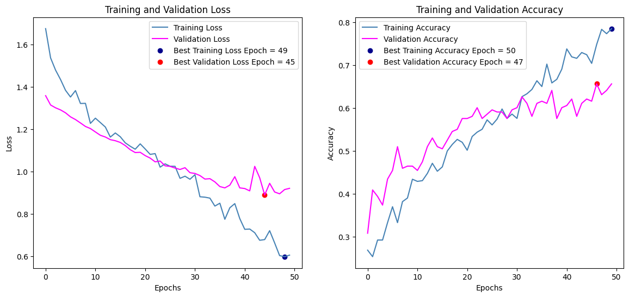 | 0.7629 | 0.6566 | Accuracy: 0.68 | Precision: 0.68 | Recall: 0.68 | F1-Score: 0.68 | 0.1063
 |  |  | 256 | relu | 0.5 | reduce lr di 50
 |  |  | 128 | relu | 0.5 | pakai(tiap 5 epoch)
 |  |  | 4 | softmax |  | pakai(tiap 5 epoch)
 |  | 3 | 256 | relu | 0.3 | pakai(tiap 5 epoch) | 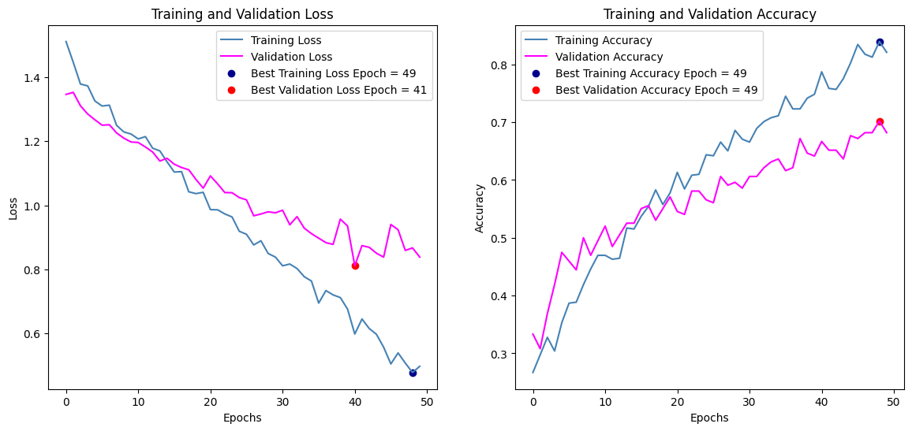 | 0.8266 | 0.6818 | Accuracy: 0.76 | Precision: 0.76 | Recall: 0.76 | F1-Score: 0.75 | 0.1448
 |  |  | 128 | relu | 0.4 | reduce lr di 48
 |  |  | 64 | relu | 0.5 | pakai(tiap 5 epoch)
 |  |  | 4 | softmax |  | pakai(tiap 5 epoch)
 | 64 | 2 | 128 | relu | 0.5 | pakai(tiap 5 epoch) | 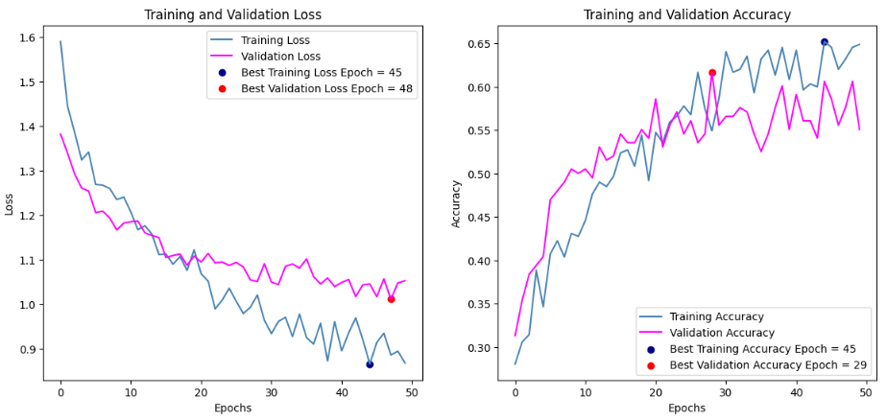 | 0.6532 | 0.5505 | Accuracy: 0.61 | Precision: 0.62 | Recall: 0.61 | F1-Score: 0.61 | 0.1027
 |  |  | 64 | relu | 0.5 | reduce learning rate di 37
 |  |  | 4 | softmax |  | pakai(tiap 5 epoch)
 |  | 2 | 128 | relu | 0.5 | pakai(tiap 5 epoch) | 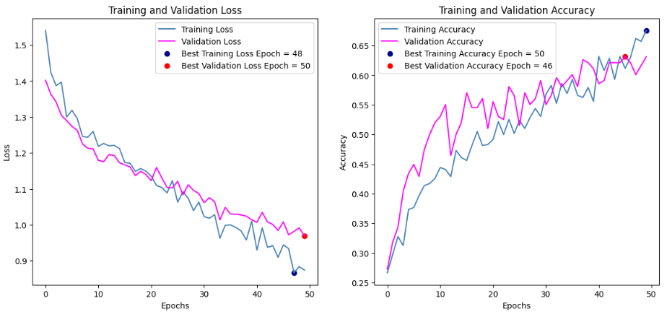 | 0.6945 | 0.6313 | Accuracy: 0.65 | Precision: 0.65 | Recall: 0.65 | F1-Score: 0.64 | 0.0632
 |  |  | 256 | relu | 0.5 | reduce learning rate di 39
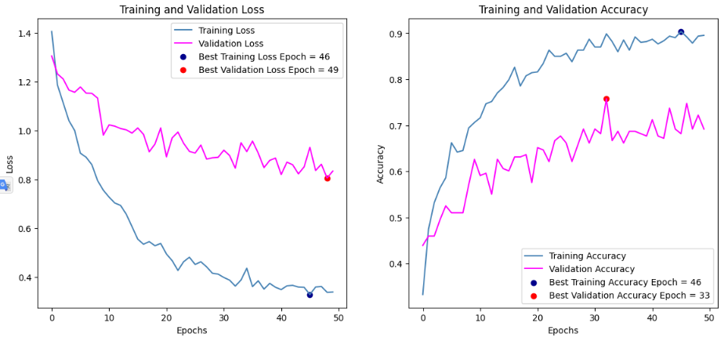
 |  |  | 4 | softmax
 |  | 2 | 512 | relu | 0.2 | pakai(tiap 5 epoch) | 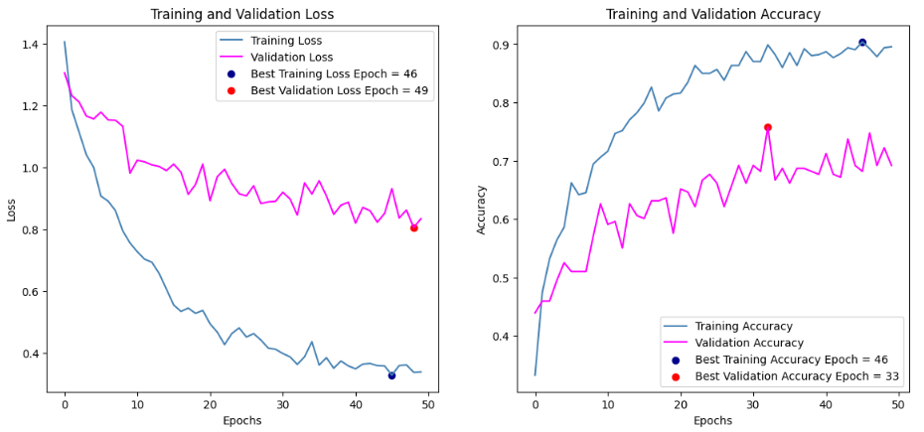  | 0.8775 | 0.6919 | Accuracy: 0.75 | Precision: 0.76 | Recall: 0.75 | F1-Score: 0.75 | 0.1856
 |  |  | 128 | relu | 0.2 | reduce learning rate di 15 26 38
 |  |  | 4 | softmax
 |  | 3 | 128 | relu | 0.2 | pakai(tiap 5 epoch) | 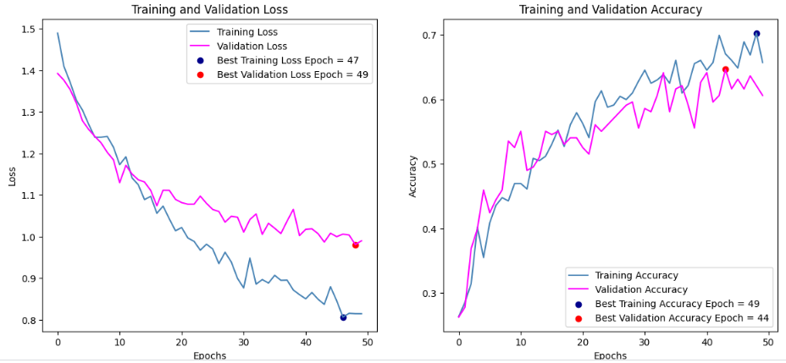 | 0.6718 | 0.6061 | Accuracy: 0.67 | Precision: 0.69 | Recall: 0.67 | F1-Score: 0.67 | 0.0657
 |  |  | 64 | relu | 0.3 | reduce lr di 22 dan 39
 |  |  | 32 | relu | 0.4
 |  |  | 4 | softmax
 |  | 3 | 512 | relu | 0.5 | pakai(tiap 5 epoch) | 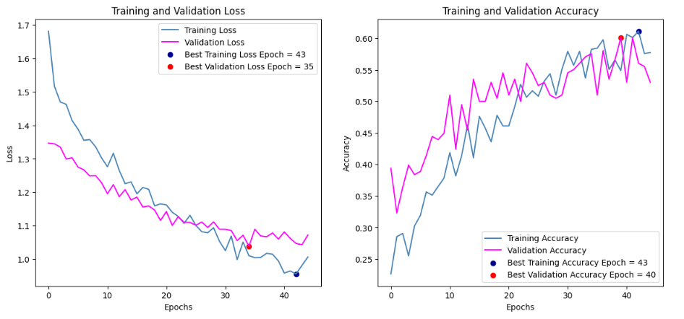 | 0.5698 | 0.5303 | Accuracy: 0.51 | Precision: 0.51 | Recall: 0.51 | F1-Score: 0.51 | 0.0395
 |  |  | 256 | relu | 0.5 | reduce lr di 27 40 dan 45
 |  |  | 128 | relu | 0.5 | earlystopping di 45
 |  |  | 4 | softmax
 |  | 3 | 256 | relu | 0.3 | pakai(tiap 5 epoch) | 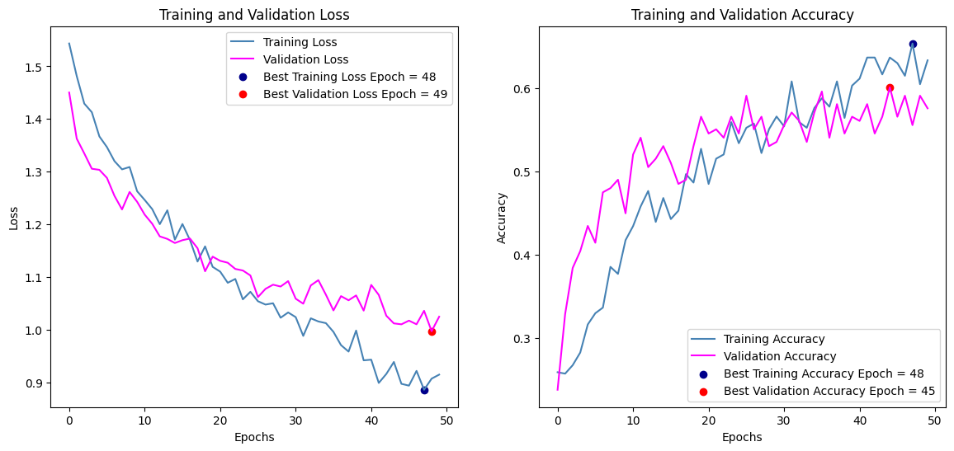 | 0.6035 | 0.5758 | Accuracy: 0.61 | Precision: 0.63 | Recall: 0.61 | F1-Score: 0.61 | 0.0277
 |  |  | 128 | relu | 0.4 | reduce learning rate di 24
 |  |  | 64 | relu | 0.5
 |  |  | 4 | softmax

